Technical details
Plating | Standard or wall |  |  |  | Finish | Types

X5 | Pocket |  |  |  | Xinnix | X5
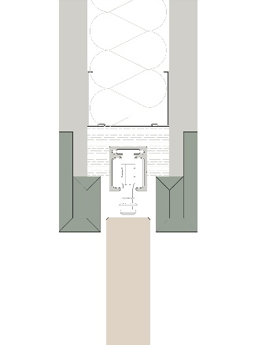

 |  |  |  |  |  | X5 XXL
X5D | WALL

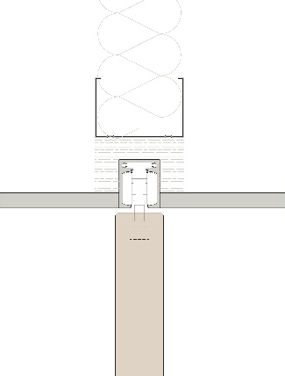
 |  |  |  |  | Pure
 |  |  |  |  |  | X5 double

X5D32

 |  |  |  |  |  | X5 symmetric (on demand, sales@xinnix.eu)

X5D50
 |  |  |  |  |  | X5 telescopic (on demande, sales@xinnix.eu)
 | Xinnix Double Soft Slide

 |  |  |  |  |  | X5 angle
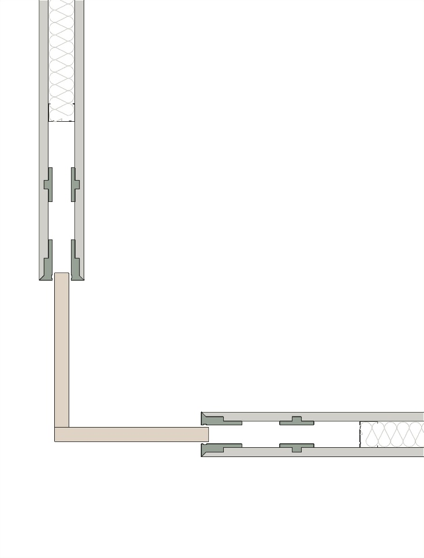

 | A |  | B
 | Width door (mm) |  | Height door (mm)
 | 830 |  | 2315
 | Removable track

 | a | b | c
 | 0.6889 | 5.359225 | 2.4592935978 | 1.66

